Site Plan
Client : | Bristol City Council | Site plan for : | 1 - Fishponds Road
Project : | Wal 2527 Fishponds Road | Date : | Saturday 14th November 2015
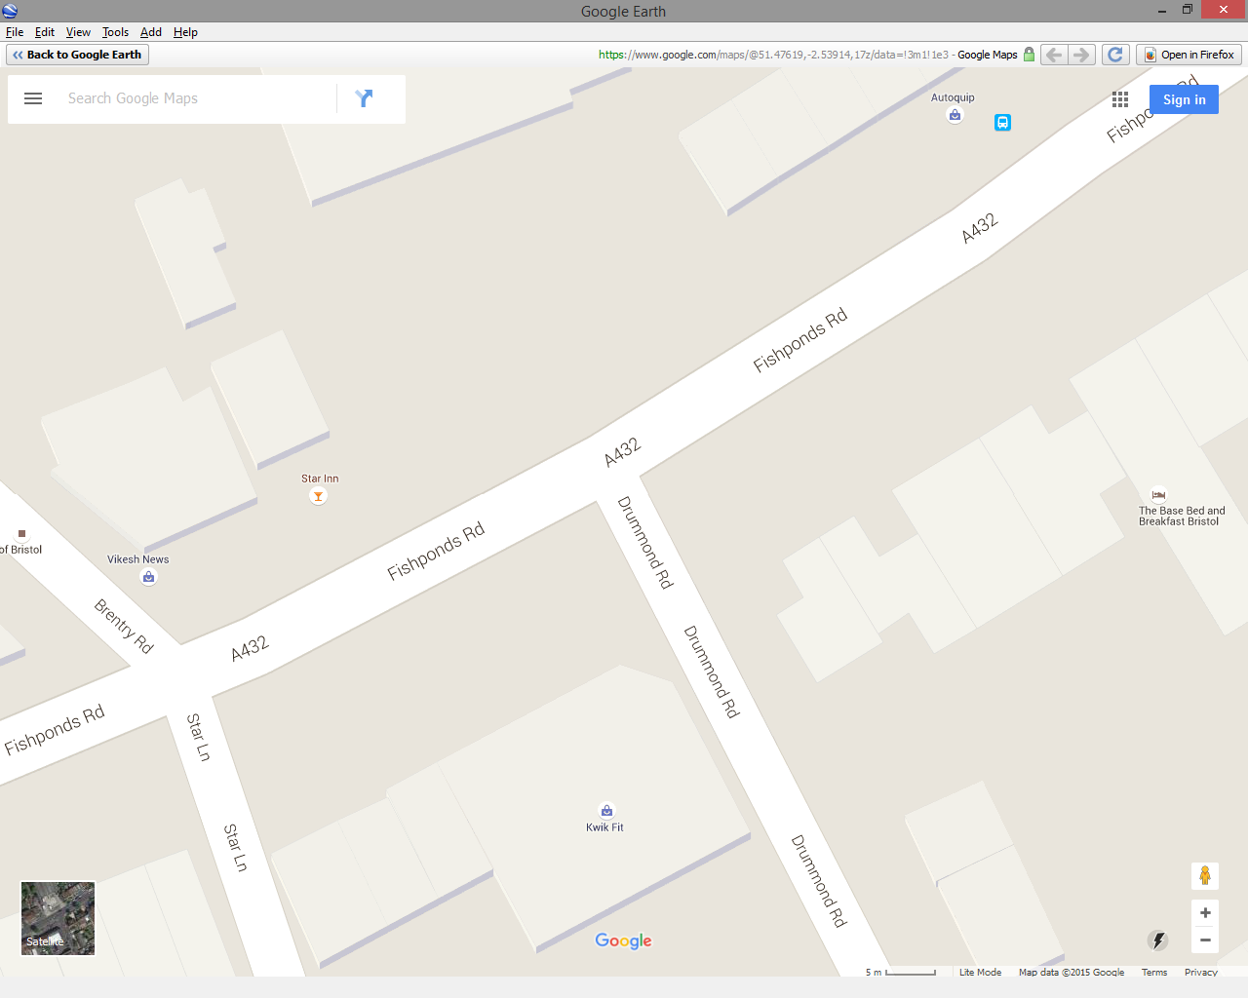
North

Zone C
Zone B
A

C
CAM 1
B

CAM 1

CAM 1
Zone A

